
 |  |  |  | CODE: |  |  | pl1204BC aa SN from 98L000
DESCRIPTION: |  | SMALL WHEEL |  | RÄDCHEN | ROUE | RUEDA / RUEDECILLA | RUOTINO TRASPORTO
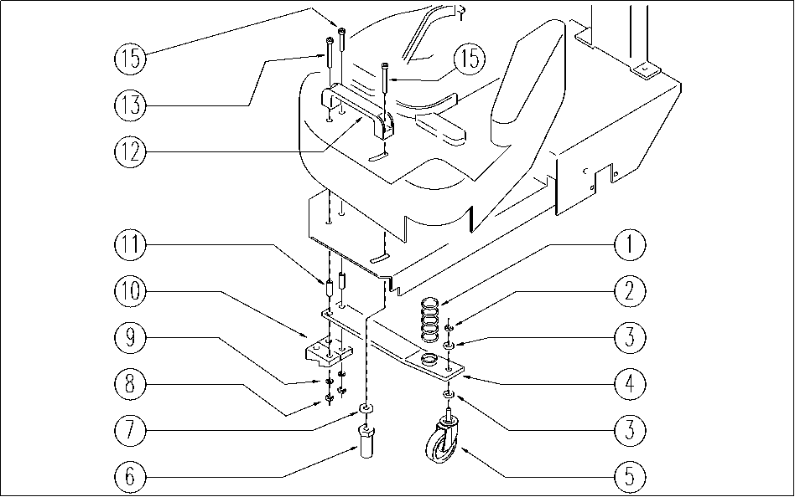

REF. | CODE | DESCRIPTION | QT
1 | E86756 | Spring | 1
2 | E86489 | Nut, M12 Stainless Nylock | 1
3 | E86490 | AS20 Washer | 2
4 | E86491 | AS20 Lever | 1
5 | E86408 | Rotating Wheel | 1
6 | E86755 | Bearing | 1
7 | E86492 | AS20 Washer | 1
8 | E86853 | Nyloc Hex Nut, M8 Zinc | 2
9 | E86878 | Washer | 2
10 | E86431 | Silent Blok for AS20 | 2
11 | E86487 | Wheel - Silent Block | 2
12 | E86467 | AS20 Black Handle 224 | 1
13 | E86493 | AS20 Screw | 2
15 | E86494 | AS20 Screw | 2

